Fig 11.20
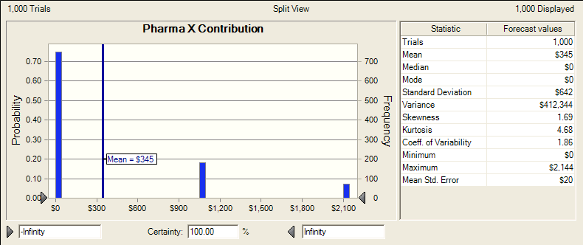

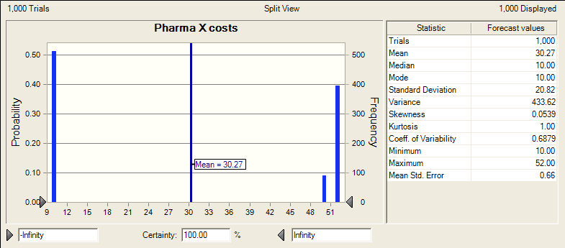

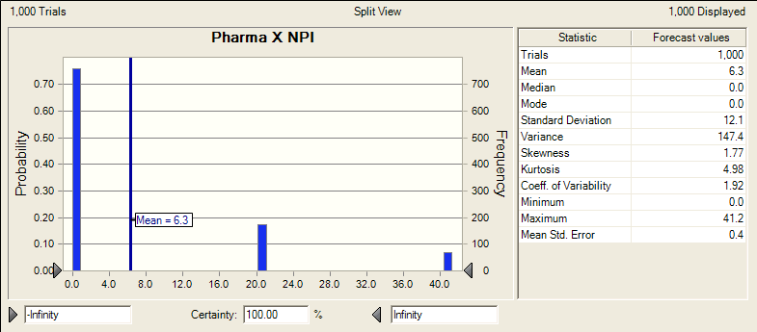

Fig 11.21 Results
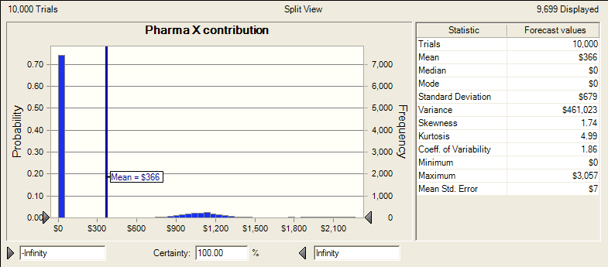

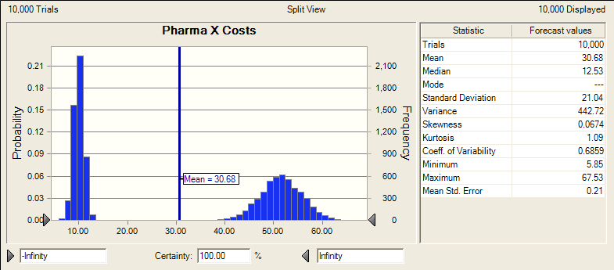

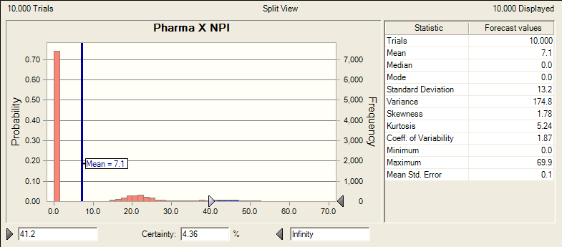

M4 - Model (2)
Pharma X-Y |  | M4

PARAMETERS
 | Discount rate |  | 10%

 | Costs
 |  | Phase II | #NAME? | 10
 |  | Phase III | #NAME? | 40
 |  | Regulatory approval | #NAME? | 2

 | Outcome probabilities
 |  | Pharma X succeeds
 |  | Phase II | 1 | 0.5
 |  |  | 0 | 0.5

 |  | Phase III | 1 | 0.8
 |  |  | 0 | 0.2
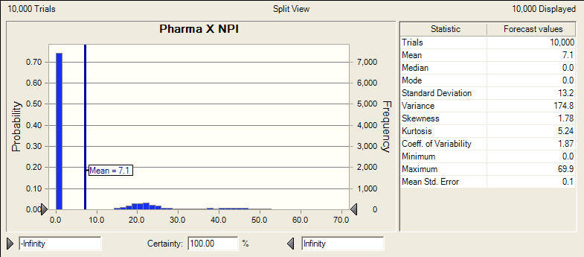
 |  | Pharma Y succeeds
 |  | conditional on Pharma X |  | X Succeeds |  |  | X Fails
 |  | Phase II | 1 | 0.9 |  | 1 | 0.1
 |  |  | 0 | 0.1 |  | 0 | 0.9

 |  | Phase III | 1 | 0.90 |  | 1 | 0.1
 |  |  | 0 | 0.10 |  | 0 | 0.9

 |  | Pharma Y sues? | 1 | 0.9
 |  |  | 0 | 0.1

 |  | Pharma Y wins suit | 1 | 0.5
 |  |  | 0 | 0.5
 | Market size
 |  | start | #NAME? | 2002
 |  | peak | #NAME? | 2005
 |  | patent expires | #NAME? | 2012
 |  | end | #NAME? | 2020
 |  | max | #NAME? | 500
 |  | upslope | #NAME?
 |  | downslope | #NAME?

 | Market shares
 |  | US | #NAME? | 0.5
 |  | Europe | #NAME? | 0.3
 |  | Japan | #NAME? | 0.2

 | Margins
 |  | US Margin | #NAME? | 0.75
 |  | Non-US royalty (Micro) | #NAME? | 0.10

CALCULATIONS
 | Outcomes
 |  | Pharma X
 |  | Phase II | #NAME?
 |  | Phase III | #NAME?
 |  | X Succeeds | #NAME?

 |  | Pharma Y
 |  | Succeeds Phase II | #NAME?
 |  | Succeeds Phase III | #NAME?
 |  | Y Succeeds | #NAME?
 |  | Pharma Y sues? | #NAME?
 |  | Pharma Y wins | #NAME?

 |  | Pharma X to market | #NAME?
 |  | Pharma Y to market | #NAME?

 | Pharma X share |  |  | Share
 |  | Pharma X fails | #NAME? | 0.0
 |  | Pharma X shares | #NAME? | 0.5
 |  | Pharma X alone | #NAME? | 1.0
 |  |  | #NAME? | #NAME?

 | Pharma Y share |  |  | Share
 |  | Pharma Y fails | #NAME? | 0.0
 |  | Pharma Y shares | #NAME? | 0.5
 |  | Pharma Y alone | #NAME? | 1.0
 |  |  | #NAME? | #NAME?

 |  |  | 2011 | 2012 | 2013 | 2014 | 2015 | 2016 | 2017 | 2018 | 2019 | 2020 | 2021 | 2022 | 2023 | 2024 | 2025 | 2026 | 2027 | 2028 | 2029
 | Total market revenue |  | #NAME? | #NAME? | #NAME? | #NAME? | #NAME? | #NAME? | #NAME? | #NAME? | #NAME? | #NAME? | #NAME? | #NAME? | #NAME? | #NAME? | #NAME? | #NAME? | #NAME? | #NAME? | #NAME?

 | Revenue by region | US | #NAME? | #NAME? | #NAME? | #NAME? | #NAME? | #NAME? | #NAME? | #NAME? | #NAME? | #NAME? | #NAME? | #NAME? | #NAME? | #NAME? | #NAME? | #NAME? | #NAME? | #NAME? | #NAME?
 |  | Europe | #NAME? | #NAME? | #NAME? | #NAME? | #NAME? | #NAME? | #NAME? | #NAME? | #NAME? | #NAME? | #NAME? | #NAME? | #NAME? | #NAME? | #NAME? | #NAME? | #NAME? | #NAME? | #NAME?
 |  | Japan | #NAME? | #NAME? | #NAME? | #NAME? | #NAME? | #NAME? | #NAME? | #NAME? | #NAME? | #NAME? | #NAME? | #NAME? | #NAME? | #NAME? | #NAME? | #NAME? | #NAME? | #NAME? | #NAME?

 | Pharma X revenue |  | #NAME? | #NAME? | #NAME? | #NAME? | #NAME? | #NAME? | #NAME? | #NAME? | #NAME? | #NAME? | #NAME? | #NAME? | #NAME? | #NAME? | #NAME? | #NAME? | #NAME? | #NAME? | #NAME?
 | Pharma Y revenue |  | #NAME? | #NAME? | #NAME? | #NAME? | #NAME? | #NAME? | #NAME? | #NAME? | #NAME? | #NAME? | #NAME? | #NAME? | #NAME? | #NAME? | #NAME? | #NAME? | #NAME? | #NAME? | #NAME?

 | PV Pharma X revenue | #NAME?
 | PV Pharma Y revenue | #NAME?

 | Pharma X EV costs | #NAME?
 | Pharma Y EV costs | #NAME?

 | PV Pharma X NPI | #NAME?
 | PV Pharma Y NPI | #NAME?

 | Means
 | X NPI | #NAME?
 | Y NPI | #NAME?

Base Case Results
